Sheet1
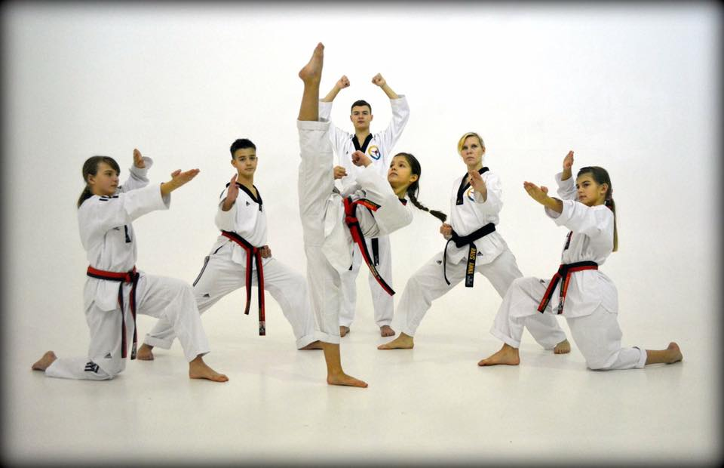
 |  |  |  |  | POOMSAE Divisions
 |  |  |  |  | Divisions for male and female categories.
 |  |  |  |  | A - Class: | 1st Dan / Poom and higher, Kukkiwon Holder
 |  |  |  |  | B - Class: | 4th Kup (Blue Belt) - 1st Kup (Black Tag)
 |  |  |  |  | C - Class: | 6th Kup (Green belt) – 5th Kup (Blue Tag)
 |  |  |  |  | D- Class | 10th Kup -(White belt) -7th Kup (Green Tag)

POOMSAE CHAMPIONSHIP
Hosted by the Universal Taekwondo Federation
First Name | Surname | D.O.B | Age | Gender | Grade | Club | Division | Category | BT Membership number

 |  |  |  |  | One to One Non Contact
 |  |  |  |  | Divisions for male and female categories.
 |  |  |  |  | A - Class: | 2nd Kup and above.
 |  |  |  |  | B - Class: | 6t Kup to 3rd Kup
 |  |  |  |  | C - Class: | 9th Kup until 7th Kup
ONE FOR ONE ENTRY FORM
Hosted by the Universal Taekwondo Federation
First Name | Surname | D.O.B | Age | Gender | Grade | Club | Division | Category | BT Membership number

